T-Rex Pond Liner Calculator
Please make sure to "Enable Editing" to change data fields below.
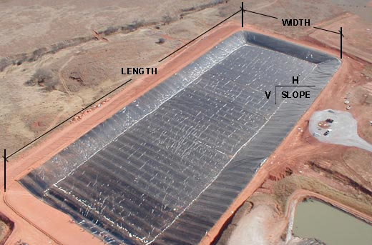
Pond Size & Water Capacity Calculator
Pond Dimensions
Length | Feet | 20
Width | Feet | 40
Depth | Feet | 2
Slope | Feet | 2.83
Anchor | Feet | 1
Measurment | UOM | Dimensions
T Rex Requirment | Feet | 1053
Pond Water Capacity | Litre | 1368

Disclaimer Note: T-Rex™ Next Generation Geomembrane has provided this calculator on an "as available" basis, as a guide only.This calculator is not intended as a design tool or to determine specification limits. T-Rex™ disclaims all liability resulting from the use of this calculator and does not imply or provide warranties of any Type.

